Tornado Chart
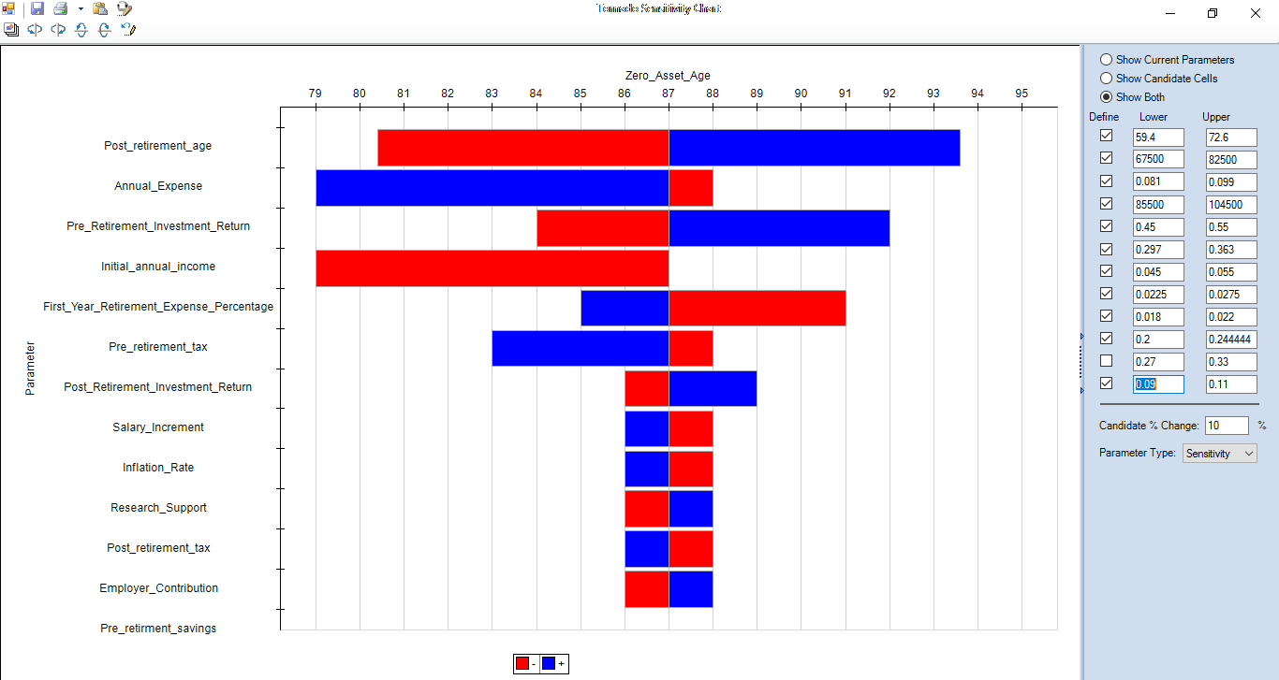

3D Chart
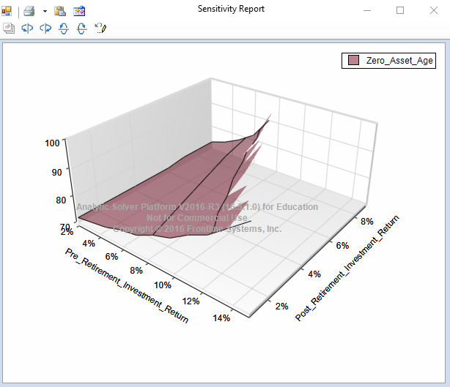
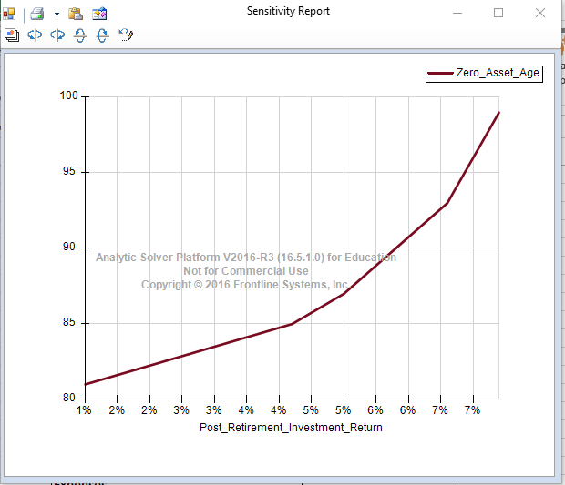
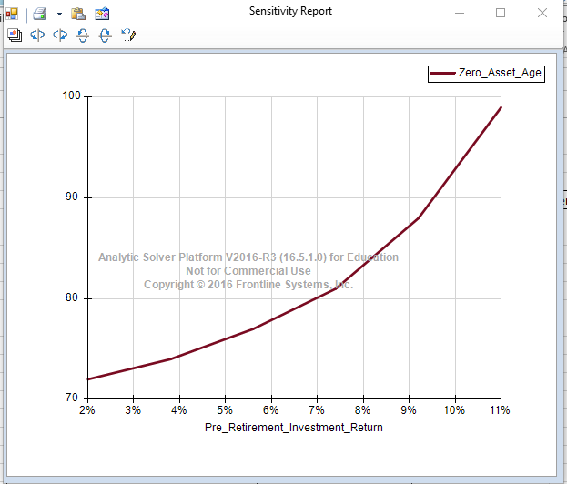

3D Chart

ZeroAssetAge Vs Retirement Age
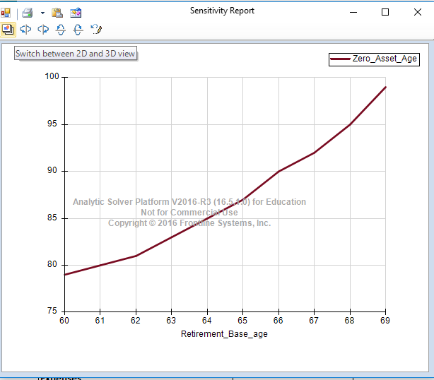
Retirement_Base_age | [Retirement Case.xlsx]ZeroAssetAge'!$F$5
60 | 79
61 | 80
62 | 81
63 | 83
64 | 85
65 | 87
66 | 90
67 | 92
68 | 95
69 | 99

ZeroAssetAge Vs Post Ret.Age
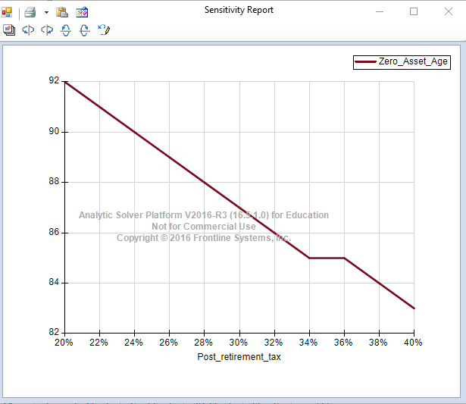
Post_retirement_tax | [Retirement Case.xlsx]ZeroAssetAge'!$F$5
20% | 92
22% | 91
24% | 90
26% | 89
28% | 88
30% | 87
32% | 86
34% | 85
36% | 85
38% | 84
40% | 83

